6K
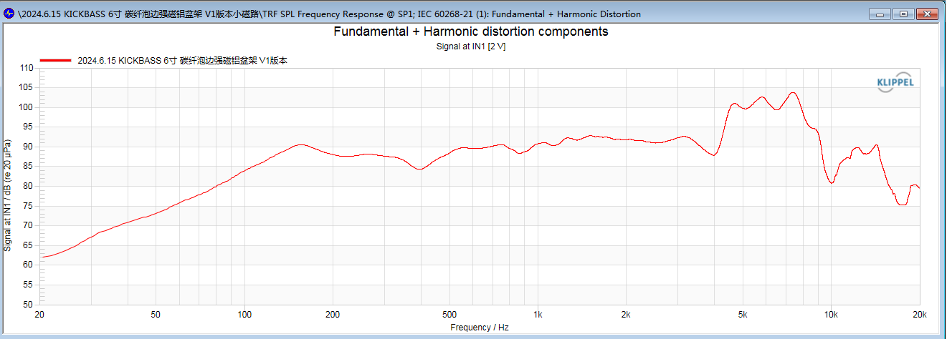
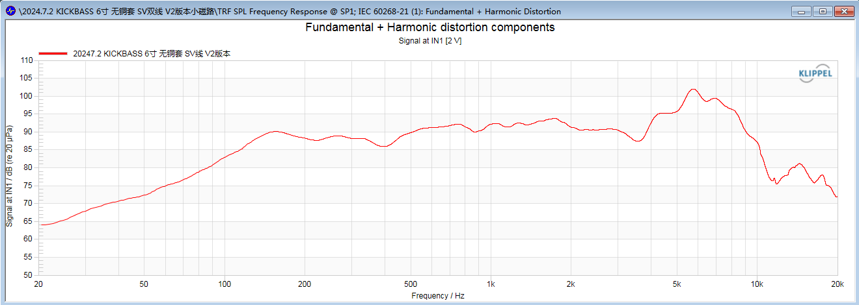
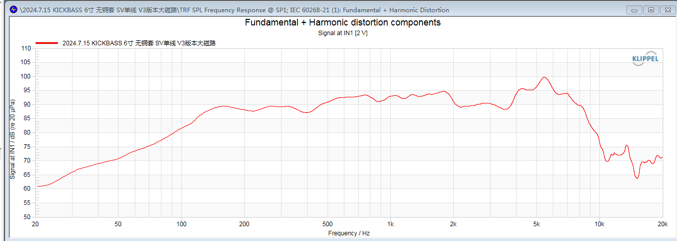
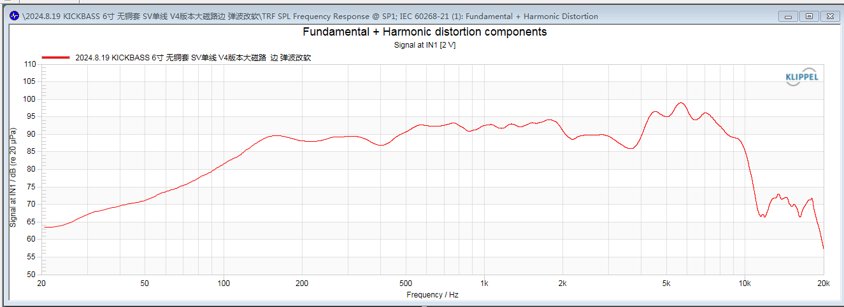
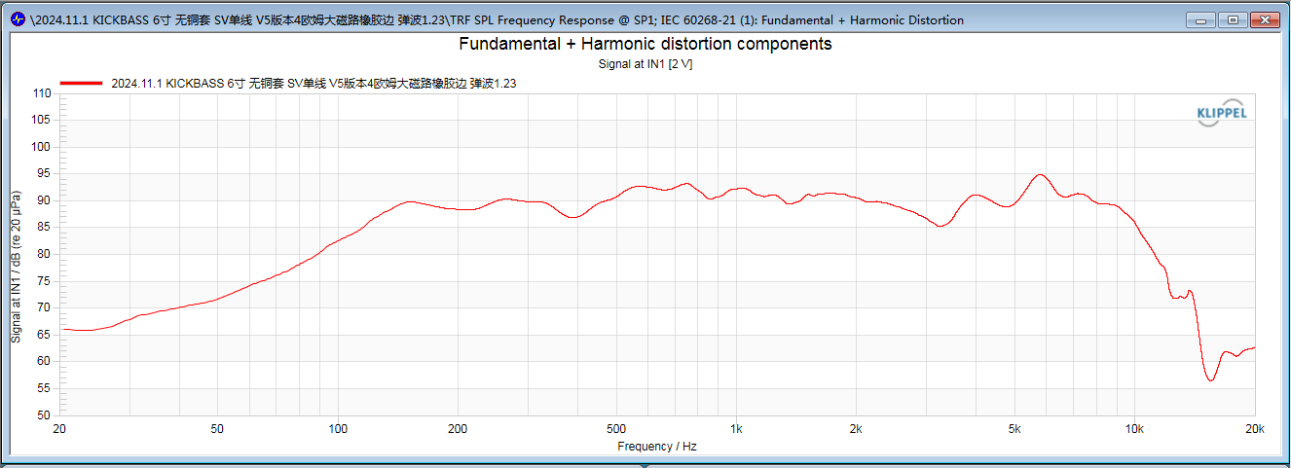
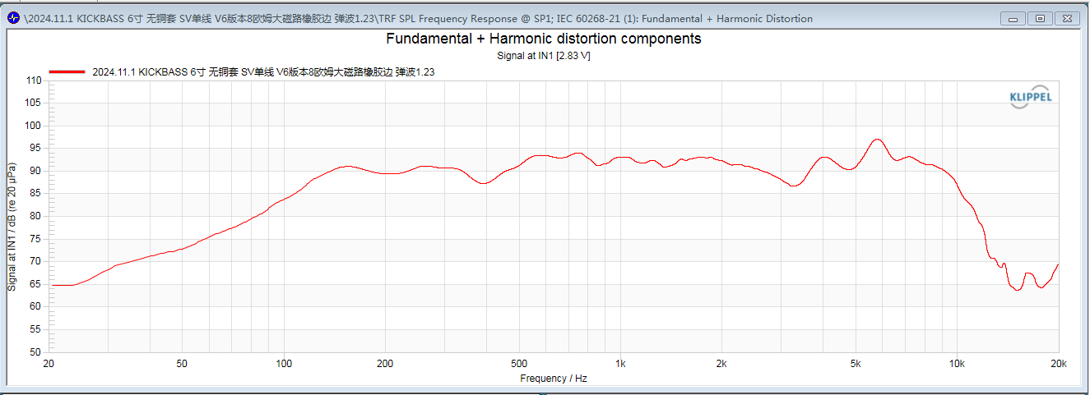
V1 |  |  |  |  |  | V2 |  | V3 |  | V4 |  | V5 |  | V6 |  | V7 |  | V7.5 |  | V8 |  | V9 |  | V10
 |  |  |  |  |  | Aim |  | Aim |  | Aim |  | Aim |  | Aim |  | Aim |  | Aim |  | Aim |  | Aim |  | Aim
 |  |  |  |  |  |  |  |  |  |  |  |  |  |  |  | use V2 motor to reduce BL so increase Qts. |  | same as v7 with v2 vc(kapton) (should reduce fs and Rms) |  | same as v6 but 16 ohm to increase Qes so increase Qts |  | same as v6 but Kapton former to reduce RMS so increase Qms so reduce Qts |  | same as v9 but 16 ohm to increase Qes so increase qts further
Category | Notes |  |  |  |  | differencies |  | differencies |  | differencies |  | differencies |  | differencies |  | differencies |  | differencies |  | differencies |  | differencies |  | differencies
Voice Coil | former | kapton 0.12 thick |  |  |  | same as v1 |  | same as v1 |  | same as v1,2,3 |  | Alu former SV |  | same as v5 |  | same as v6 |  | same as v2 |  | same as v6 |  | kapton |  | same as v9
 | wire | Double, 0.17 CCAW EI, wind. h 9.5, 2 layer |  |  |  | Double 0.15 copper EI, wind. h 9.5, 2 layers |  | single, win.h 10.2 , 0.25 EI |  | same as v3 |  | same as v3,4 |  | 0.20 EI wire |  | same as v6 |  | same as v2 |  | same as v6 |  | same as v6 |  | same as v9
 | size | 38.5 × 30-9.5mm Maximum outer diameter: φ39.6mm |  |  |  | Max out φ 39.5mm |  | 38.6 × 28-10.2mm max φ 40mm |  | same as v3 |  | same as v3,4 |  | max out φ 39.8mm |  | same as v6 |  | same as v2 |  | same as v6 |  | same as v6 |  | same as v9
 | DCR | 3.2 Ω |  |  |  | 3.2 Ω |  | 3Ω |  | same as v3 |  | 3.2 Ω |  | 5.4 Ω |  | 5.4 Ω |  | 5.4 Ω |  | 16 ohm |  | 5.4 Ω |  | 16ohm
 | Black KT paper reinforcement |  |  |  |  | same as v1 |  | same as v1 |  | same as v1 |  | same as v1 |  | same as v1 |  | same as v1 |  | same as v1 |  | same as v1 |  | same as v1 |  | same as v1
Cone | Foam Surround+ carbon cone diameter 40.0mm (large bubble edge) mesopores on the surface of carbon fiber / Bright oilon surround |  |  |  |  | smaller surround |  |  |  |  |  |  |  |  |  | same as v6
Spider | BPC-20S φ98×φ38.9×2x3.7 Model: D17-98/Immersion: 0.95/Displacement: 1.0/50g |  |  |  |  |  |  |  |  | Displacement: 1.23/50g |  | Displacement: 1/50g |  |  |  | same as v6
Iron Frame | φ60×4-φ5.5 Black Wrinkle Plastic Coating , 8 mounting holes |  |  |  |  |  |  |  |  |  |  |  |  |  |  | same as v2
T-yoke | 70 × 11.5x (37.5 × 11.5) No through-hole, Electrophoretic black |  |  |  |  |  |  | 80 × 13x (38 × 12) |  |  |  |  |  |  |  | same as v2
Magnet | φ75×φ42×5mm N35 , 2.7OZ weight |  |  |  |  |  |  | φ85×φ42×5mm 3.8 OZ |  |  |  |  |  |  |  | same as v2
Faraday Ring | φ38×φ28×10H-0.2T 38-core copper sleeve Copper |  |  |  |  | removed |  |  |  |  |  |  |  |  |  | same as v2
Washer | φ70×φ40.1+0.05×6mm Machined outer circle, Black electrophoresis |  |  |  |  |  |  | φ80×φ40.5+0.05×6mm |  |  |  |  |  |  |  | same as v2
T-S Parameters |  |  | Param. | Value | Unit | Value | Unit | Value | Unit | Value | Unit | Value | Unit | Value | Unit | Value | Unit | Value | Unit | Value | Unit | Value | Unit | Value | Unit
electrical voice coil resistance at DC |  |  | Re | 3.37 | Ohm | 3.24 | Ohm | 3.09 | Ohm | 3.13 | Ohm | 3.19 | Ohm | 5.6 | Ohm | 5.65 | Ohm | 5.36 | Ohm | 14 | Ohm | 5.35 | Ohm |  | Ohm
frequency independent part of voice coil inductance |  |  | Le | 0.022 | mH | 0.109 | mH | 0.17 | mH | 0.176 | mH | 0.142 | mH | 0.214 | mH | 0.198 | mH | 0.252 | mH | 0.389 | mH | 0.256 | mH |  | mH
para-inductance of voice coil |  |  | L2 | 0.142 | mH | 0.189 | mH | 0.304 | mH | 0.283 | mH | 0.326 | mH | 0.441 | mH | 0.47 | mH | 0.428 | mH | 0.844 | mH | 0.433 | mH |  | mH
electrical resistance due to eddy current losses |  |  | R2 | 1.85 | Ohm | 3.63 | Ohm | 5.94 | Ohm | 5 | Ohm | 4.79 | Ohm | 6.76 | Ohm | 7.14 | Ohm | 7.55 | Ohm | 12.49 | Ohm | 7.31 | Ohm |  | Ohm
electrical capacitance representing moving mass |  |  | Cmes | 316.13 | μF | 200.98 | µF | 149.94 | µF | 148.21 | µF | 166.27 | µF | 111.7 | µF | 103.03 | µF | 99.45 | µF | 60.94 | µF | 119.38 | µF |  | µF
electrical inductance representing driver compliance |  |  | Lces | 15.19 | mH | 29.96 | mH | 41.18 | mH | 73.26 | mH | 72.42 | mH | 114.89 | mH | 125.69 | mH | 116.83 | mH | 174.66 | mH | 106.51 | mH |  | mH
resistance due to mechanical losses |  |  | Res | 19.74 | Ohm | 30 | Ohm | 45.67 | Ohm | 47.17 | Ohm | 79 | Ohm | 27.98 | Ohm | 25.05 | Ohm | 49.5 | Ohm | 50.91 | Ohm | 60.53 | Ohm |  | Ohm
driver resonance frequency |  |  | fs | 72.6 | Hz | 64.9 | Hz | 64 | Hz | 48.3 | Hz | 45.9 | Hz | 44.4 | Hz | 42.2 | Hz | 46.7 | Hz | 48.8 | Hz | 44.6 | Hz |  | Hz
mass of driver diaphragm assembly including air load and voice coil |  |  | Mms | 13.304 | g | 13.999 | g | 16.435 | g | 15.071 | g | 17.52 | g | 16.862 | g | 16.8 | g | 13.71 | g | 16.606 | g | 17.022 | g |  | g
mass of voice coil and diaphragm without air load |  |  | Mmd (Sd) | 11.693 | g | 12.271 | g | 14.707 | g | 13.343 | g | 15.832 | g | 15.173 | g | 15.156 | g | 12.043 | g | 14.918 | g | 15.334 | g |  | g
resistance of total-driver losses |  |  | Rms | 2.132 | kg/s | 2.322 | kg/s | 2.4 | kg/s | 2.156 | kg/s | 5.547 | kg/s | 5.394 | kg/s | 6.52 | kg/s | 2.789 | kg/s | 5.353 | kg/s | 2.356 | kg/s |  | kg/s
compliance of driver suspension |  |  | Cms | 0.361 | mm/N | 0.43 | mm/N | 0.376 | mm/N | 0.72 | mm/N | 0.687 | mm/N | 0.761 | mm/N | 0.76 | mm/N | 0.864 | mm/N | 0.641 | mm/N | 0.747 | mm/N |  | mm/N
stiffness of driver suspension |  |  | Kms | 2.77 | N/mm | 2.33 | N/mm | 2.66 | N/mm | 1.39 | N/mm | 1.46 | N/mm | 1.31 | N/mm | 1.3 | N/mm | 1.18 | N/mm | 1.56 | N/mm | 1.34 | N/mm |  | N/mm
force factor (Bl product) |  |  | Bl | 6.487 | N/A | 8.346 | N/A | 10.487 | N/A | 10.084 | N/A | 10.265 | N/A | 12.286 | N/A | 12.78 | N/A | 11.75 | N/A | 16.508 | N/A | 11.94 | N/A |  | N/A
suspension creep factor |  |  | Lambda s | 0.046 |  | 0.028 |  | 0.019 |  | 0.005 |  | 0 |  | 0.003 |  | 0.002 |  | 0.028 |  | 0.009 |  | 0.027
total Q-factor considering all losses |  |  | Qtp | 0.416 |  | 0.24 |  | 0.175 |  | 0.132 |  | 0.131 |  | 0.145 |  | 0.132 |  | 0.141 |  | 0.205 |  | 0.164
mechanical Q-factor of driver in free air considering Rms only |  |  | Qms | 2.848 |  | 2.458 |  | 2.755 |  | 2.121 |  | 0.91 |  | 0.873 |  | 0.717 |  | 1.444 |  | 0.951 |  | 2.027
electrical Q-factor of driver in free air considering Re only |  |  | Qes | 0,486 |  | 0.265 |  | 0.186 |  | 0.141 |  | 0.153 |  | 0.175 |  | 0.162 |  | 0.156 |  | 0.262 |  | 0.179
total Q-factor considering Re and Rms only |  |  | Qts | 0.415 |  | 0.239 |  | 0.174 |  | 0.132 |  | 0.131 |  | 0.145 |  | 0.132 |  | 0.141 |  | 0.205 |  | 0.164
equivalent air volume of suspension |  |  | Vas | 8.1945 | l | 10.7227 | l | 9.3674 | l | 17.9637 | l | 16.6147 | l | 18.399 | l | 18.58 | l | 20.455 | l | 15.49 | l | 18.05 | l |  | l
reference efficiency (2 pi-radiation using Re) |  |  | n0 | 0.621 | % | 1.061 | % | 1.271 | % | 1.384 | % | 1.007 | % | 0.889 | % | 0.956 | % | 1.28 | % | 0.661 | % | 0.863 | % |  | %
characteristic sound pressure level (at 1 m for 1 W @ Re) |  |  | Lm | 90.13 | dB | 92.46 | dB | 93.24 | dB | 93.61 | dB | 92.81 | dB | 91.69 | dB | 92 | dB | 93.27 | dB | 90.4 | dB | 91.56 | dB |  | dB
nominal sensitivity (SPL at 1 m for 1 W @ Zn) |  |  | Lnom | 90.87 | dB | 93.37 | dB | 94.37 | dB | 94.68 | dB | 93.21 | dB | 93.24 | dB | 93.52 | dB | 95.01 | dB | 90.98 | dB | 93.31 | dB |  | dB
root-mean-square fitting error of driver impedance Z(f) |  |  | rmse Z | 2.23 | % | 2.53 | % | 2.42 | % | 3.43 | % | 2.47 | % | 2.78 | % | 2.26 | % | 2.94 | % | 2.48 | % | 5.86 | % |  | %
root-mean-square fitting error of transfer function Hx(f) |  |  | rmse Hx | 0.99 | % | 1.35 | % | 1.83 | % | 1.38 | % | 1.57 | % | 1.34 | % | 1.23 | % | 3.78 | % | 1.8 | % | 1.75 | % |  | %
resistance of series resistor |  |  | Series re | 0.00 | Ohm | 0 | Ohm | 0 | Ohm | 0 | Ohm | 0 | Ohm | 0 | Ohm | 0 | Ohm | 0 | Ohm | 0 | Ohm | 0 | Ohm |  | Ohm
diaphragm area |  |  | Sd | 126.68 | cm² | 132.73 | cm² | 132.73 | cm² | 132.73 | cm² | 130.7 | cm² | 130.7 | cm² | 130.7 | cm² | 130.7 | cm² | 130.7 | cm² | 130.7 | cm² |  | cm²
 |  |  |  |  |  |  |  |  |  |  |  |  |  |  |  | result comment: because 8ohm vc, Bl did not rteduce and Rms increased because more eddy currents

